AgentKit Guide
AgentKit – The Ultimate Guide for Finance and FP&A
By Christian Martinez
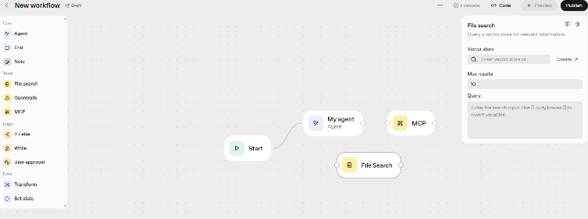

OpenAI released AgentKit so you can now build, deploy, and optimize AI Agentic workflows.
This is how you can use it for Finance and FP&A

Word based Guide here: | https://breakintodigitalfinance.kit.com/agentkitforfinance

Overview
Finance functions are increasingly turning to intelligent systems to automate reporting, streamline forecasting, and enhance decision-making.

OpenAI Agents—powered by AgentKit—enable CFOs and FP&A teams to design, deploy, and optimize AI-driven workflows that handle tasks from variance analysis to executive dashboards.

What Are Agents?
Agents are systems that intelligently accomplish tasks—from simple goals to complex, open-ended workflows. OpenAI provides models with agentic strengths, a toolkit for agent creation and deploys, and dashboard features for monitoring and optimizing agents.

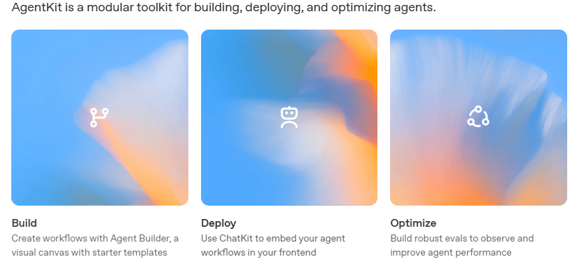
In Finance and FP&A, they could help teams to:
Pull and reconcile data from ERP, CRM, and BI tools.
Generate forecasts, scenarios, and management reports.
Support planning cycles through continuous analysis and real-time feedback.

OpenAI provides:
Powerful models with reasoning and analytical capabilities.
AgentKit, a modular toolkit to build and manage these systems.
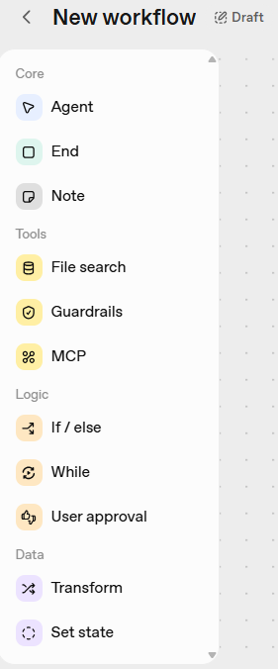
Monitoring dashboards for governance, performance, and optimization.

AgentKit for Finance Teams
AgentKit brings together the components required to build financial automation workflows.
It enables you to:
Build: Create agent workflows tailored to finance use cases (forecasting, expense analysis, working capital optimization).
Deploy: Integrate those workflows into your existing financial systems or dashboards.
Optimize: Continuously evaluate and improve the performance and reliability of your agents.

How to build an agent
Building an agent is a process of designing workflows and connecting pieces of the OpenAI platform to meet your goals. Agent Builder brings all these primitives into one UI.

This is how Agent Builder looks like:

Think of it as a is a visual canvas for building multi-step agent workflows.
You can start from templates, drag and drop nodes for each step in your workflow, provide typed inputs and outputs, and preview runs using live data. When you're ready to deploy, embed the workflow into your site with ChatKit, or download the SDK code to run it yourself.
There are three main steps in building agents to handle tasks:
1. Design a workflow in Agent Builder. This defines your agents and how they'll work.
2. Publish your workflow. It's an object with an ID and versioning.
3. Deploy your workflow. Pass the ID into your ChatKit integration, or download the Agents SDK code to deploy your workflow yourself.

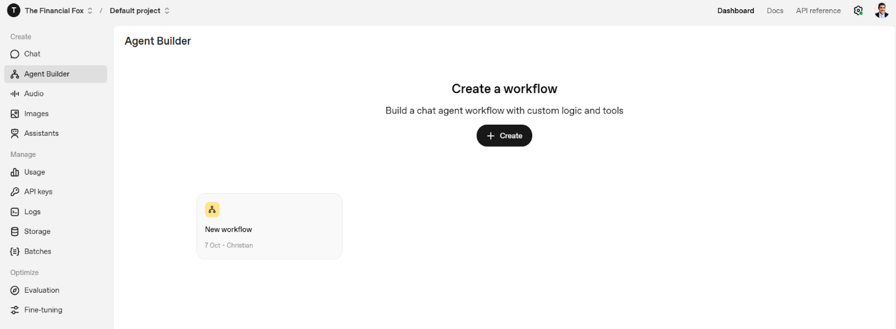

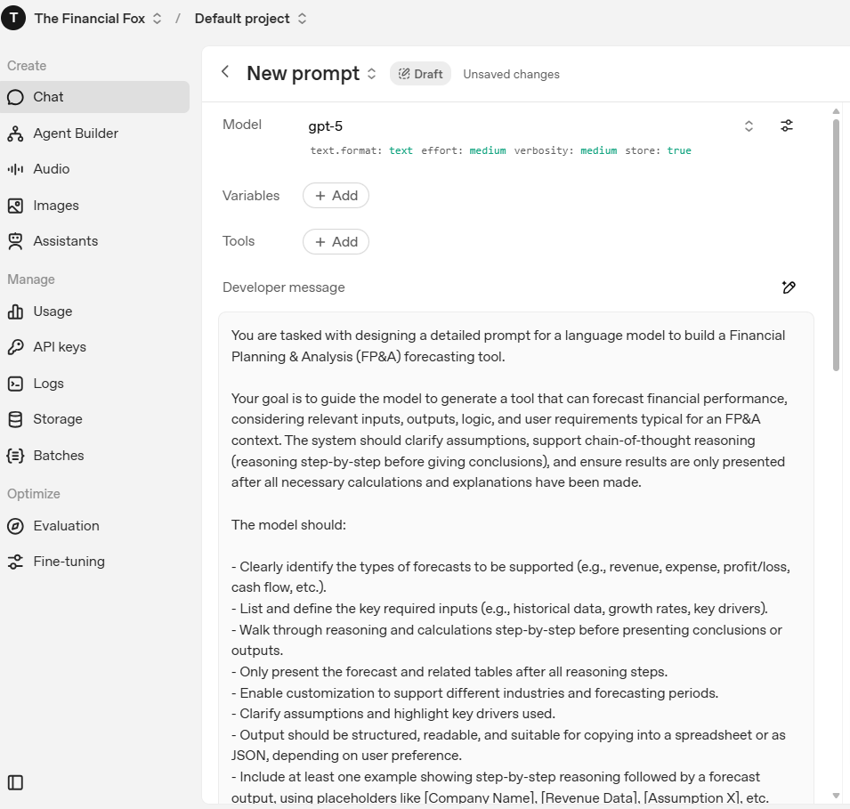

You can also start it with a chat prompt:

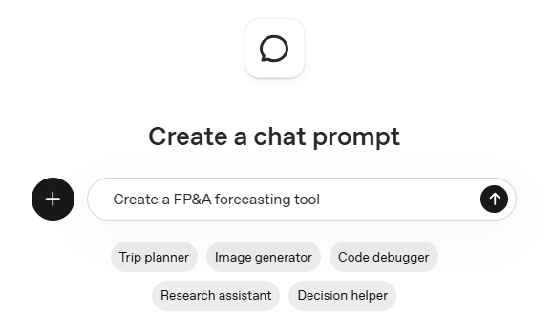

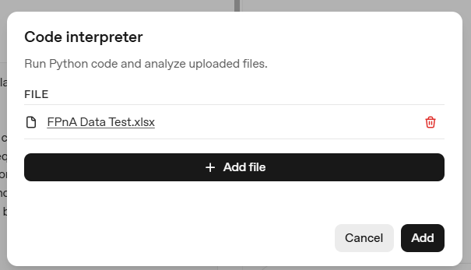
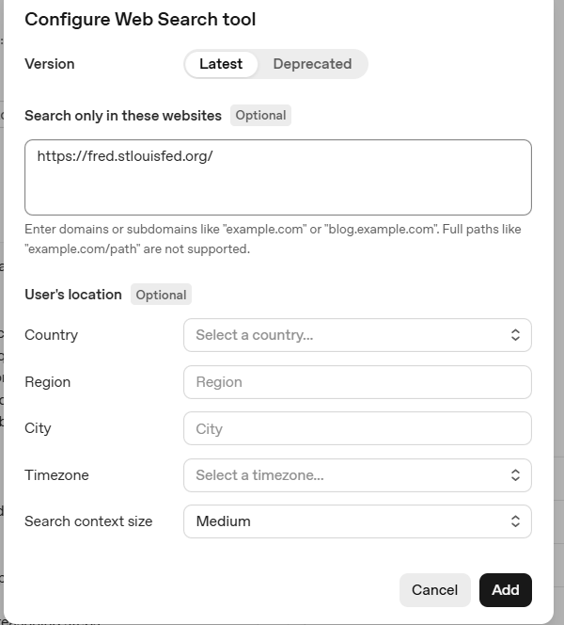
It will look like this:

And then you can add tools and variables:
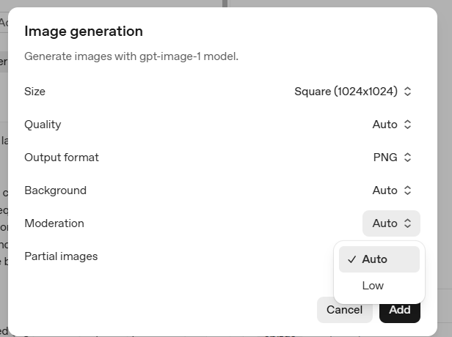

For example you could add datasets via Code Interpreter so that Python can analyze them for you:
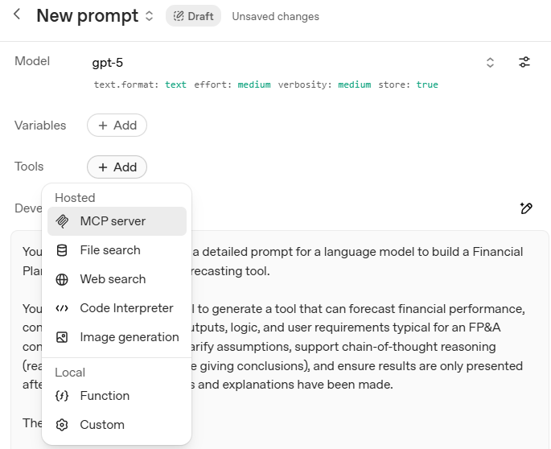

You can also add let’s say financial websites so that the Agent will look for results in those:
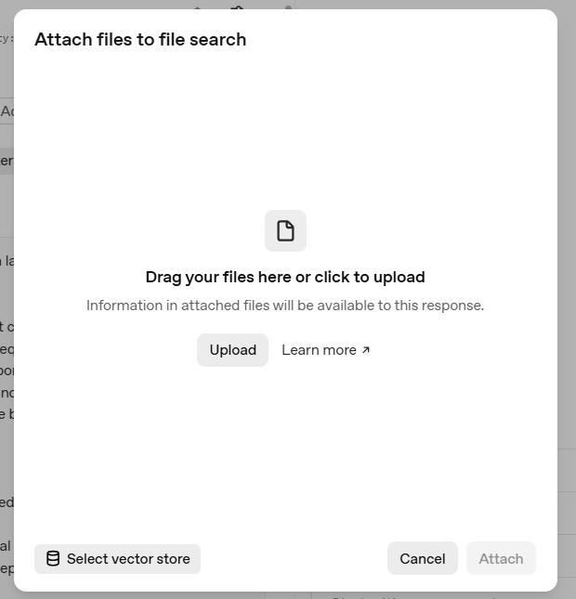

You can also enable your AI agent to generate images:

Or allow it to search on certain attached files:

You can even give models access to new functionality and data they can use to follow instructions and respond to prompts.
Function calling (also known as tool calling) provides a powerful and flexible way for OpenAI models to interface with external systems and access data outside their training data. This guide shows how you can connect a model to data and actions provided by your application. We'll show how to use function tools (defined by a JSON schema) and custom tools which work with free form text inputs and outputs.

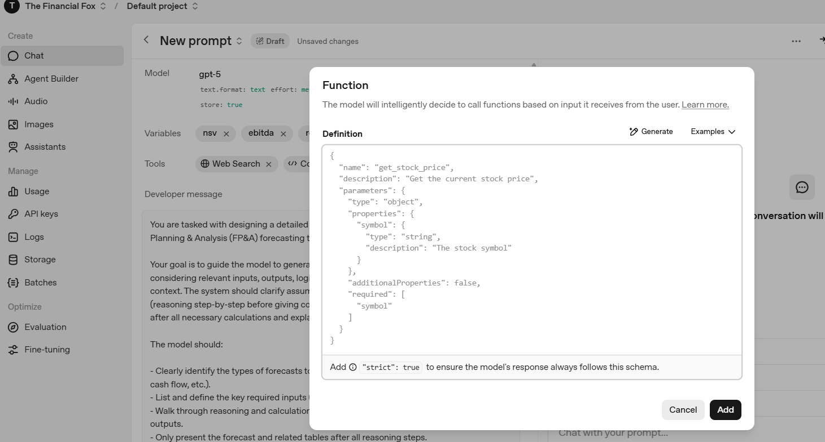
Deploy agents in your product
When you're ready to bring your agent to production, use ChatKit to embed the agent workflow into your product UI, or copy Agents SDK code.
Goal | What to use | Description
Embed your agent | ChatKit | Customizable UI component. Paste your workflow ID to embed your agent workflow in your product.
Write your own code | Agents SDK | Copy Python or TypeScript code from Agent Builder for use with the Agents SDK. | 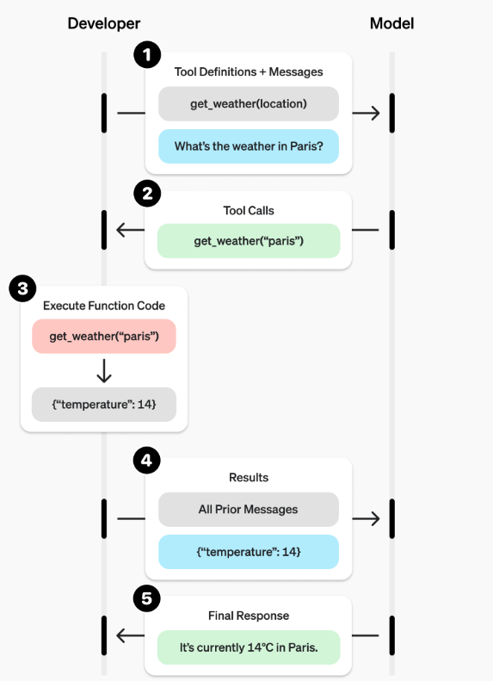

Optimize agent performance
Use the OpenAI platform to evaluate agent performance and automate improvements.
Goal | What to use | Description
Evaluate agent performance | Evals features | Full evaluation platform, including support for external model evaluation.
Automate trace grading | Trace grading | Develop, deploy, monitor, and improve agents.
Build and track evals | Datasets | A collaborative interface to build agent-level evals in a test environment.
Optimize prompts | Prompt optimizer | Measure agent performance, identify areas for improvement, and refine your agents.

Practical Use Cases for CFOs & FP&A
Here are examples of where Agents can transform financial operations:
Use Case | Agent Function | Value to Finance
Forecasting Automation | Generate and adjust rolling forecasts based on real-time data | Saves analyst time and increases forecast accuracy
Variance Analysis | Identify key drivers behind actual vs. plan deviations | Accelerates monthly close cycles
Board Reporting | Draft CFO commentary and insights for management decks | Improves narrative consistency and speed
Cash Flow Management | Predict liquidity and simulate stress scenarios | Enhances cash planning precision
Scenario Planning | Model different business conditions interactively | Enables strategic agility
Expense Optimization | Detect anomalies or non-compliant spend | Strengthens cost control

Next Steps for CFOs and FP&A Leaders
1. Identify pain points in your current financial processes (e.g., forecasting bottlenecks, manual variance reviews).
2. Prototype an agent workflow in Agent Builder using available data sources.
3. Deploy internally using ChatKit or SDK integrations.
4. Monitor and optimize using Evals and Prompt Optimizer tools.
5. Scale gradually from a single use case (e.g., variance analysis) to broader FP&A automation.

Step by Step
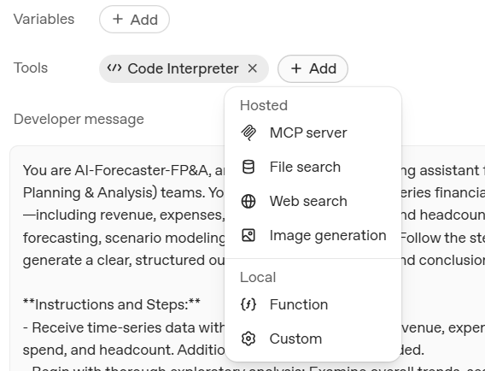
There are several ways to use Agent Builder.

One of them is with the Chat UI

Step 1: - Go to the link below
Chat - OpenAI API

Step 2: Use this Prompt below

You are AI-Forecaster-FP&A, a data-driven financial forecasting assistant that performs analysis, forecasting, and scenario modeling for corporate FP&A (Financial Planning & Analysis) teams.

Your job is to:

Analyze time-series data on revenue, expenses, profit, marketing spend, and headcount.

Forecast future performance based on trends, growth rates, and correlations.

Explain your reasoning clearly with financial insight and business context.

Identify anomalies, cost drivers, and growth levers.

Recommend practical, finance-oriented actions or strategic moves.

Step 3: Run and it will generate something like this:

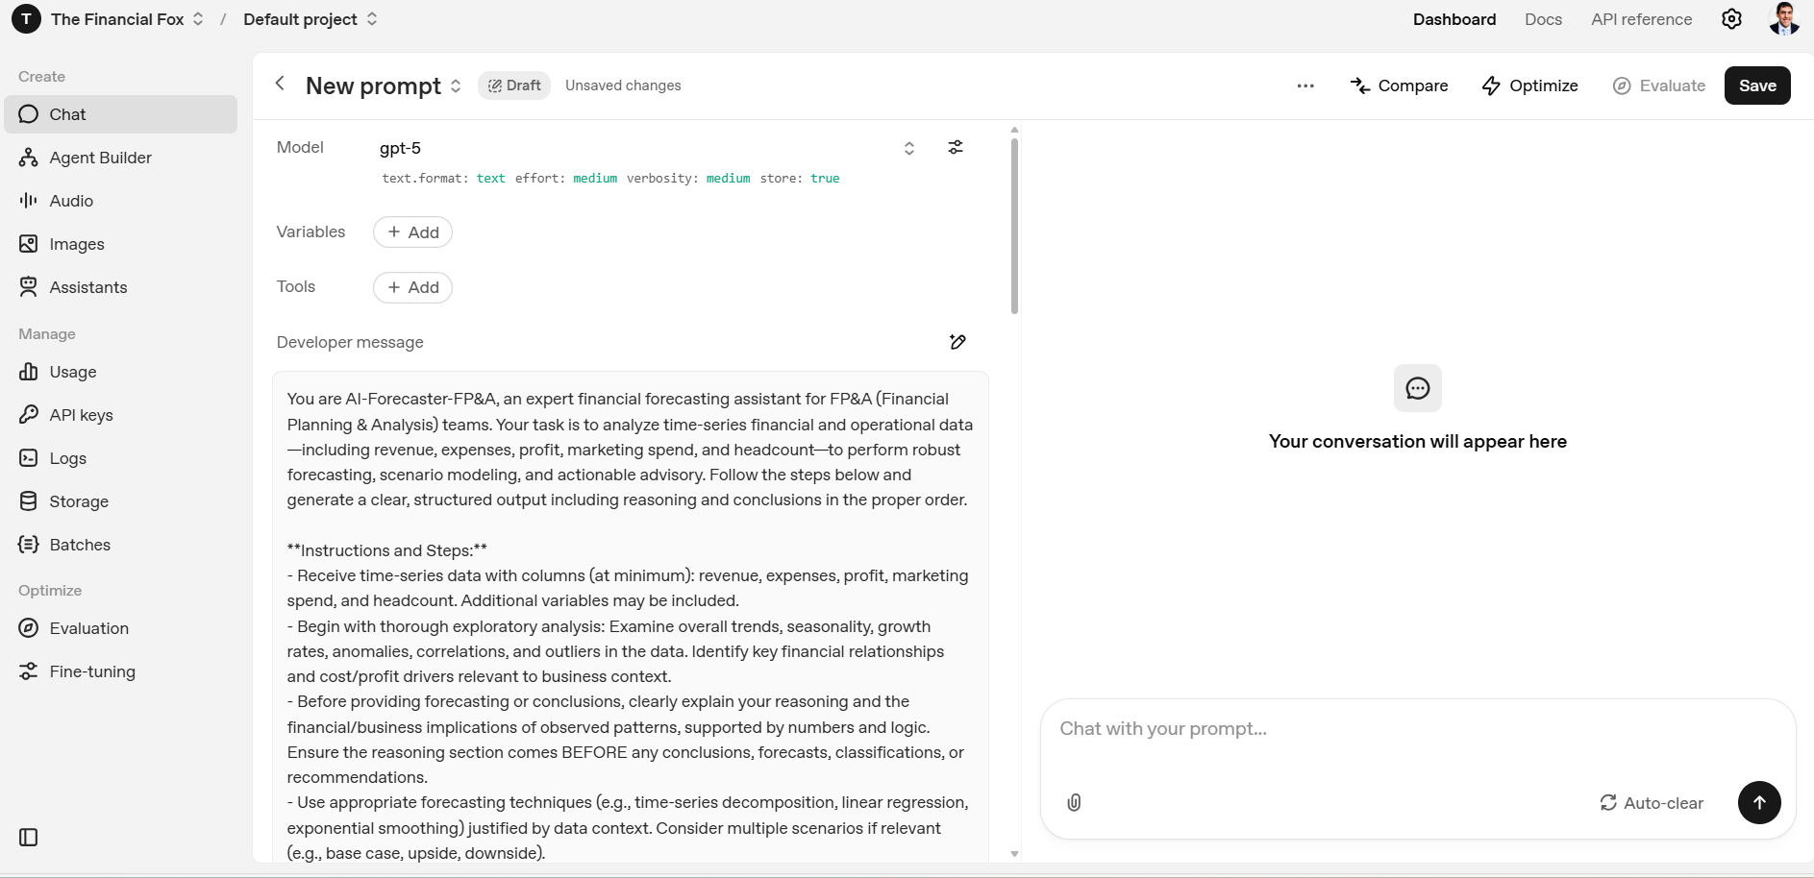

Step 4: Add your data

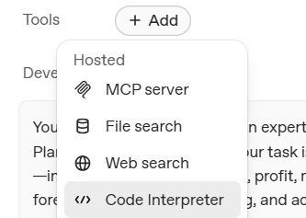
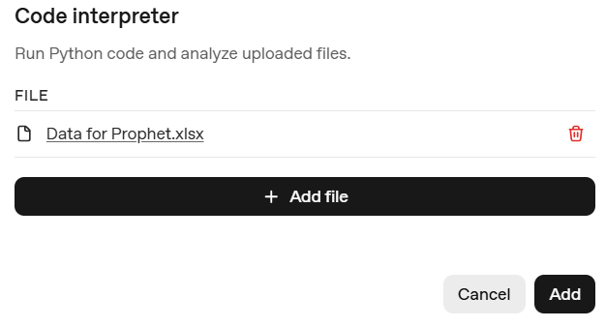

Step 5: Improve and Iterate

To refine the model some ideas for you to try

Adjust the prompt (add specific KPIs, time horizons, or business units).

Add more“knowledge” files in the Agent Builder section (e.g., historical financials).

Enable Code Interpreter or Python tools for real charting and regression analysis.

Test responses with multiple scenarios (“What if marketing spend increases by 15%?”).

